Dimensions
 |  |  |  | Real length |  | drawing (cm) | * factor
 | SYNTHS | ft | Description | 65' 0.2'' | 65.016666667 | 22.2 | 2.9286786787
 | XW | 27.0 | Horizontal loc. Wing a.c
 | ZW | 5.0 | Vertical loc. Wing ref. pt | Body Parameters
 | ALIW | 2.0 | Wing incidence angle (deg) | NX | X |  | ZU |  | ZL |  | R |  | S |  | R fatter | S
 | XH | 57.0 | Hor. Location of H.T | Section | Measured (cm) | Real Value (ft) | Measured | Real Value | Measured | Real Value | Measured D | Real Value | Real Value | Modified (fatter)
 | ZH | 11.0 | Vertical loc. of H.T | 1 | 0 | 0 | 0.15 | 0.4393018018 | -0.2 | -0.58573573574 | 0 | 0.000 | 0.000 | 0 | 0.05 | 0.0
 | ALIH | 1.0 | H.T incidence angle | 2 | 0.2 | 0.5857 | 0.5 | 1.4643393393 | -0.6 | -1.7572072072 | 0.9 | 1.318 | 5.457 | 6.5478631974 | 1.2000 | 4.5
 | XV | 50.0 | Horizontal loc. Of V.T ref. pt | 3 | 0.9 | 2.6358 | 1 | 2.9286786787 | -1.1 | -3.2215465465 | 1.1 | 1.611 | 8.151 | 9.7813758875 | 2.4162 | 18.3
 | ZV | 0.0 | Vertical loc. V.T ref. pt | 4 | 1.5 | 4.3930 | 1.3 | 3.8072822823 | -1.3 | -3.8072822823 | 1.2 | 1.757 | 9.701 | 11.640645684 | 2.6358 | 21.8
 |  |  |  | 5 | 2.25 | 6.5895 | 2.05 | 6.0037912913 | -1.5 | -4.393018018 | 1.5 | 2.197 | 15.157 | 18.188508882 | 3.2948 | 34.103
 | Wing Parameters | ft | Description | 6 | 9.45 | 27.6760 | 2.05 | 6.0037912913 | -1.2 | -3.5144144144 | 1.6 | 2.343 | 17.245 | 20.694481217 | 3.5144 | 38.802
Large control surface areas. Flying slow and big, to move the aircraft as quickly as possible to be safe (firefighting) | CHRDTP_WG | 11.61 | Tip chord | 7 | 11.55 | 33.8262 | 2.05 | 6.0037912913 | -1 | -2.9286786787 | 1.3 | 1.904 | 11.385 | 13.661591116 | 2.8555 | 25.6
 | SSPNE_WG | 46.92 | Exposed semi_span | 8 | 14 | 41.0015 | 2.05 | 6.0037912913 | -0.7 | -2.0500750751 | 1 | 1.464 | 6.736 | 8.0837817252 | 2.1965 | 15.2
 | SSPN_WG | 46.92 | Total semi-span | 9 | 16.25 | 47.5910 | 2.05 | 6.0037912913 | -0.5 | -1.4643393393 | 0.7 | 1.025 | 3.301 | 3.9610530453 | 1.5376 | 7.4
 | CHRDR_WG | 11.61 | Root chord | 10 | 17.55 | 51.3983 | 1.95 | 5.7109234234 | -0.3 | -0.8786036036 | 0.6 | 0.879 | 2.425 | 2.9101614211 | 1.3179 | 5.5
 | SAVSI_WG | 0.0 | Sweep angle (deg) | 11 | 19 | 55.6449 | 1.95 | 5.7109234234 | -0.2 | -0.58573573574 | 0.5 | 0.732 | 1.684 | 2.0209454313 | 1.0983 | 3.8
 | CHSTAT_WG | 0.25 | Quarter chord | 12 | 20 | 58.5736 | 1.95 | 5.7109234234 | -0.1 | -0.29286786787 | 0.3 | 0.439 | 0.606 | 0.72754035527 | 0.8500 | 2.3
 | TWISTA_WG | 0.0 | Washout | 13 | 21.4 | 62.6737 | 1.95 | 5.7109234234 | -0.08 | -0.23429429429 | 0.2 | 0.293 | 0.269 | 0.32335126901 | 0.5000 | 0.8
 | DHDADI_WG | 0.0 | Dihedral (deg) | 14 | 21.65 | 63.4059 | 1.95 | 5.7109234234 | -0.05 | -0.14643393393 | 0.1 | 0.146 | 0.067 | 0.080837817252 | 0.2197 | 0.2
 | DHDADO_WG | 0.0 | Diheral outboard (deg) | 15 | 22.2 | 65.0167 | 1.95 | 5.7109234234 | 0 | 0 | 0.005 | 0.007 | 0.000 | 0.00020209454313 | 0.1000 | 0.0
 | TC_WG | 0.18 | Thickness ratio

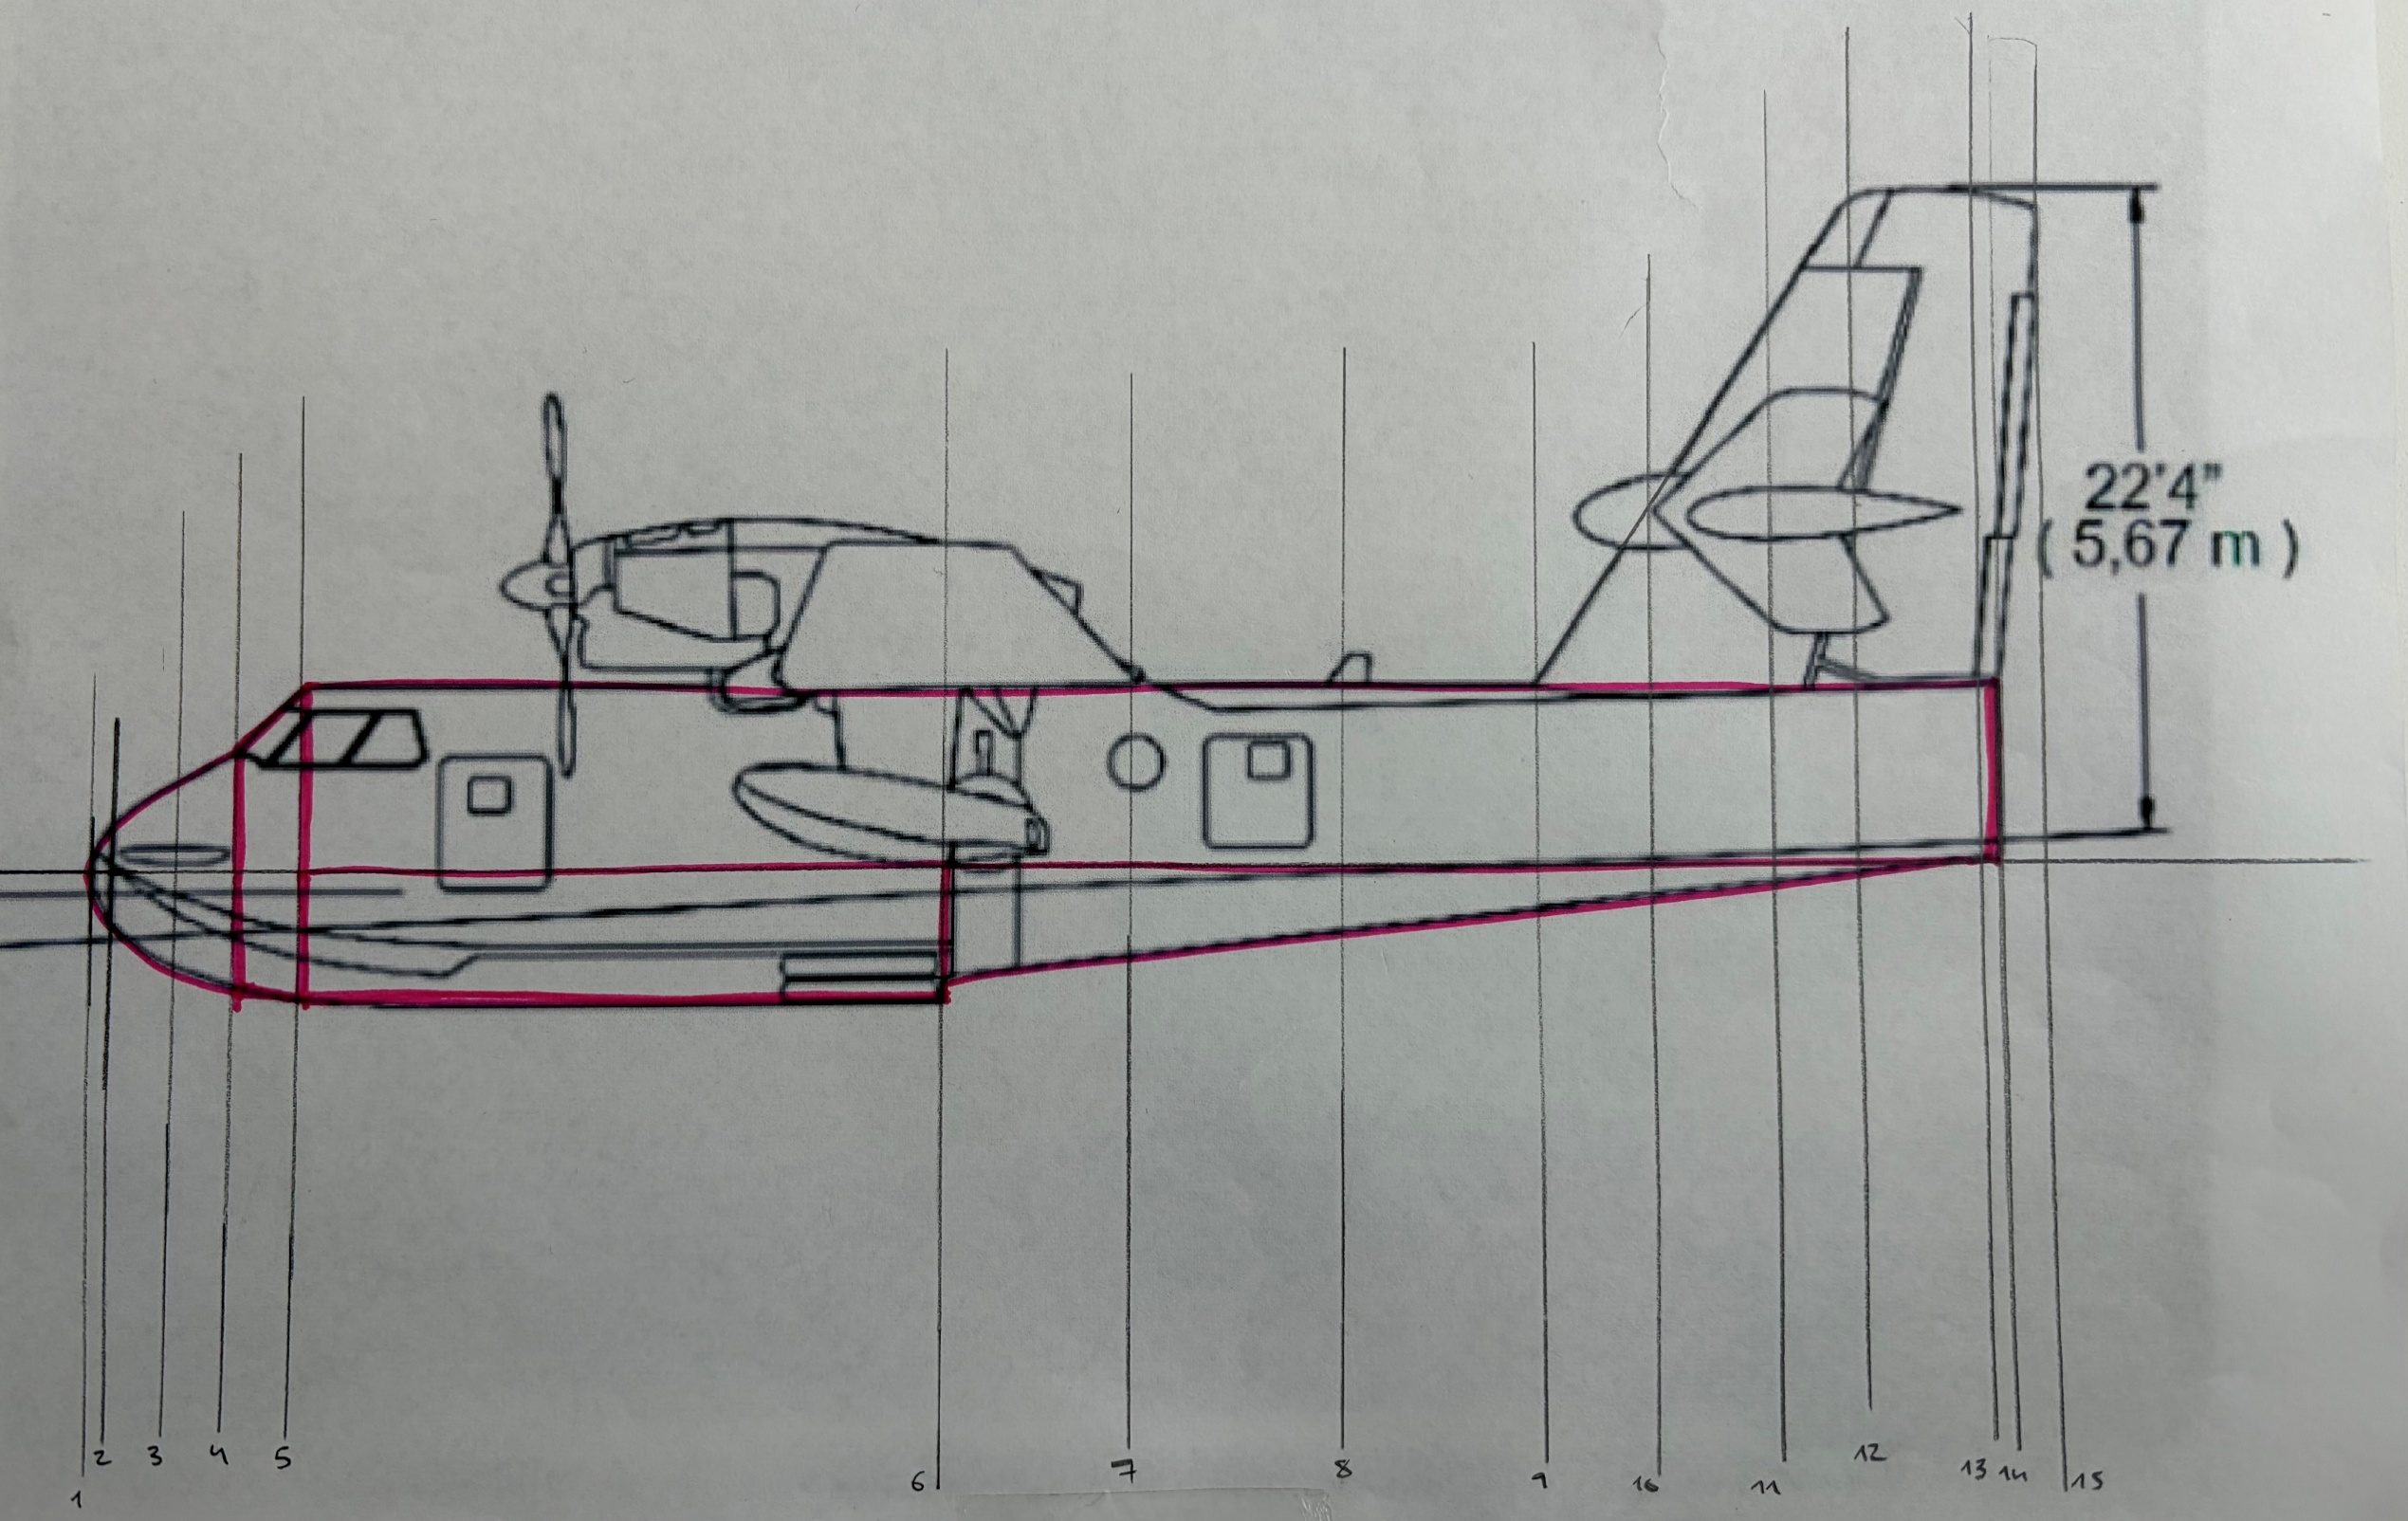
 | H.T Parameters |  | Description
 | CHRDTP_HT | 8.67 | Tip chord
 | SSPNE_HT | 18 | Exposed Semi-span
 | SSPN_HT | 18 | Total semi-span
 | CHRDR_HT | 8.67 | root chord
 | SAVSI_HT | 0 | sweep angle (deg)
 | CHSTAT_HT | 0.25 | quarter chord ref. location
 | TWISTA_HT | 0 | twist angle (deg)
 | DHDADI_HT | 0 | Dihedral (deg)
 | DHDADO_HT | 0 | Dihedral outboard (deg)

 | V.T Parameters |  | Description
 | CHRDTP_VT | 5.9958 | Tip chord
 | SSPNE_VT | 20.3 | Exposed Vertical span
 | SSPN_VT | 20.3 | Vertical Span
 | CHRDR_VT | 15.83333 | Root chord
 | SAVSI_VT | 55 | Sweep angle (deg)
 | CHSTAT_VT | 0.25 | Quarter chord ref. loc

DATCOM
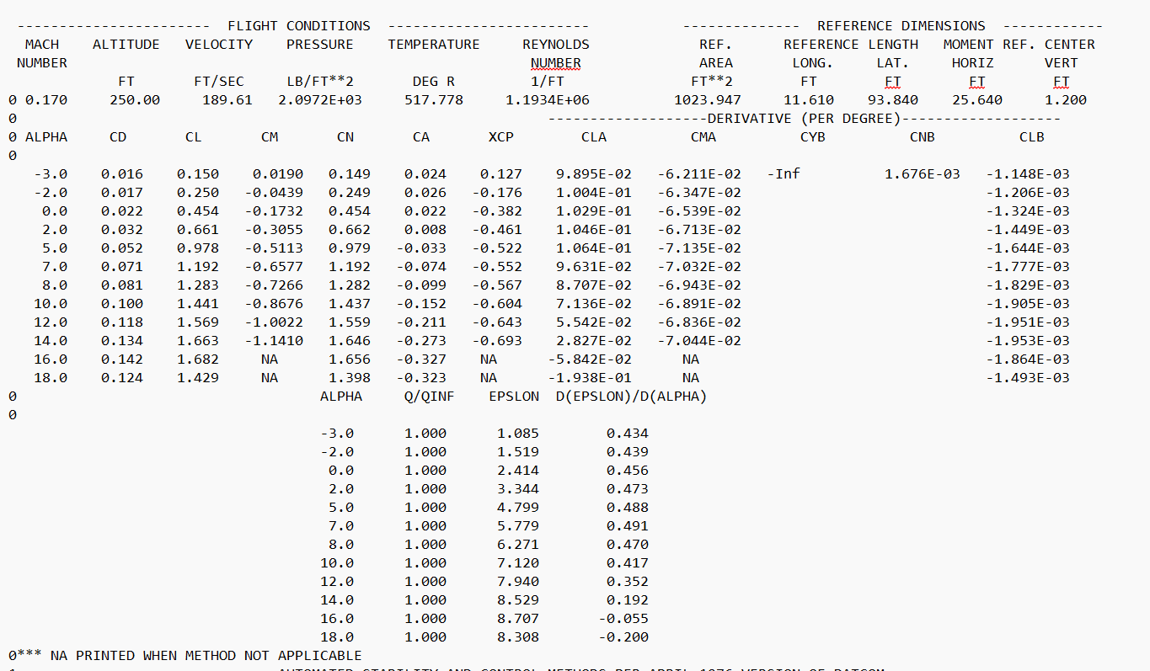

 |  |  |  | Real length |  | drawing (cm) | * factor
SYNTHS | ft | Description |  | 65' 0.2'' | 65.016666667 | 22.2 | 2.9286786787
XW | 27.0 | Horizontal loc. Wing a.c
ZW | 5.0 | Vertical loc. Wing ref. pt |  | Body Parameters
ALIW | 2.0 | Wing incidence angle (deg)
XH | 56.3 | Hor. Location of H.T |  | NX | X | ZU | ZL | R | S
ZH | 11.0 | Vertical loc. of H.T |  | 1 | 0 | 0.439 | -0.5857 | 0.05 | 0.008
ALIH | 1.0 | H.T incidence angle |  | 2 | 0.7 | 1.4640 | -1.7572 | 1.2 | 4.52
XV | 50.0 | Horizontal loc. Of V.T ref. pt |  | 3 | 2.638 | 2.9290 | -3.2215 | 2.42 | 18.3
ZV | 0.0 | Vertical loc. V.T ref. pt |  | 4 | 4.393 | 3.8070 | -3.8073 | 2.64 | 21.8
 | 5.1 |  |  | 5 | 6.5895 | 6.0040 | -4.39302 | 3.29 | 34.1
Wing Parameters | ft | Description |  | 6 | 27.676 | 6.0040 | -3.5144 | 3.51 | 38.8
CHRDTP_WG | 11.61 | Tip chord | Wing Flap | 7 | 33.8262 | 6.0040 | -2.9287 | 2.86 | 25.6
SSPNE_WG | 46.92 | Exposed semi_span | SPANFI_F | 8 | 41.0015 | 6.0040 | -2.05 | 2.2 | 15.2
SSPN_WG | 46.92 | Total semi-span | SPANFO_F | 9 | 47.591 | 6.0040 | -1.464 | 1.53 | 7.4
CHRDR_WG | 11.61 | Root chord | CHRDFI_F | 10 | 51.3983 | 5.7109 | -0.8786 | 1.32 | 5.5
SAVSI_WG | 0.0 | Sweep angle (deg) | CHRDFO_F | 11 | 55.6449 | 5.7109 | -0.5857 | 1.1 | 3.8
CHSTAT_WG | 0.25 | Quarter chord | DELTA_F | 12 | 58.5736 | 5.7109 | -0.29287 | 0.85 | 2.3
TWISTA_WG | 0.0 | Washout |  | 13 | 62.6737 | 5.7109 | -0.2343 | 0.5 | 0.79
DHDADI_WG | 0.0 | Dihedral (deg) | Wing Aileron | 14 | 63.4059 | 5.7109 | -0.1464 | 0.22 | 0.15
DHDADO_WG | 0.0 | Diheral outboard (deg) | SPANFI_A | 15 | 65.0167 | 5.7109 | 0 | 0.1 | 0.0314
TC_WG | 0.18 | Thickness ratio | SPANFO_A
 |  |  | CHRDFI_A
 |  |  | CHRDFO_A
 |  |  | DELTAL_A
H.T Parameters |  | Description | DELTAR_A
CHRDTP_HT | 8.67 | Tip chord
SSPNE_HT | 18 | Exposed Semi-span | Elevator
SSPN_HT | 18 | Total semi-span | SPANFI_E
CHRDR_HT | 8.67 | root chord | SPANFO_E
SAVSI_HT | 0 | sweep angle (deg) | CHRDFI_E
CHSTAT_HT | 0.25 | quarter chord ref. location | CHRDFO_E
TWISTA_HT | 0 | twist angle (deg) | DELTA_E
DHDADI_HT | 0 | Dihedral (deg)
DHDADO_HT | 0 | Dihedral outboard (deg)

V.T Parameters |  | Description
CHRDTP_VT | 5.9958 | Tip chord
SSPNE_VT | 20.3 | Exposed Vertical span
SSPN_VT | 20.3 | Vertical Span
CHRDR_VT | 15.83333 | Root chord
SAVSI_VT | 55 | Sweep angle (deg)
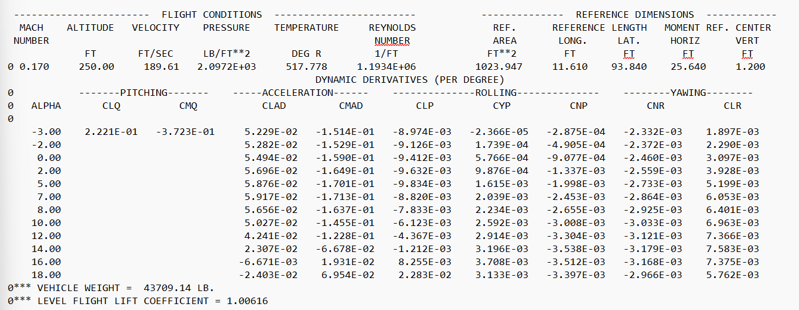
CHSTAT_VT | 0.25 | Quarter chord ref. loc

Longitudinal
CASE 1
 |  | Hand Calcs |  | Datcom
 |  | /rad | /deg | α = 5º | α = 7º |  |  | Wing | M | Alt | ρ | β | AR | K | e | Sweep | W | b | λ | η |  | cos(sweep) | tan(sweep)
 | CLα | 5.0464454043 | 0.088077087827 | 0.1064 | 0.09621 |  |  |  | 0.17 | 250 | 0.00236 | 0.98544406234 | 8.6 | 1 | 0.8 | 0 | 43709.14 | 93.84 | 1 | 1
 | CDα | 0.46991926681 | 0.0082016384243
 | CL | 1.00634 |  | 0.979 | 1.193 |  |  |  | V | Sw | CD0 | CL,max | Xcg | Xac,w | c_bar,w | Xa,bar | hH | lH | KA | KH | Kλ
 | CD | 0.05685 |  | 0.053 | 0.072 |  |  |  | 189.59782887 | 1023.9471628 | 0.01 | 1.8 | 25.64 | 27 | 11.61 | 0.11714039621 | 6 | 30 | 0.09114304166 | 1.0865504873 | 1
 | Vstall (ft/s) | 141.765 |  | 146.72976715
 | Total L (lbf) | 43709.14 |  | 43709.14 |  |  |  | H.T Param | b | AR | S | Sweep | Xac,t | lH.T | Vbar,t | c,h.t
 | Total D (lbf) | 2469.409 |  | 2.3026E+03 | 3.1281E+03 |  |  |  | 36 | 4.23 | 306.38297872 | 0 | 57 | 31.36 | 0.80822247194
 | CLα,H.T | 4.0127 | 0.070035276749
 | (dε/dα)M=0 | 0.2834 |  |  |  |  |  |  |  | Weight
 | (Cmα)f | 0.05188 | 0.000906 |  |  |  | 4.0127 |  |  | 43709.14
 | Wing contrib | 0.59114 | 0.010317384965 |  |  |  | 0.07003528
 | (dε/dα)M=0.17 | 0.28660 |  | 0.488 | 0.491 |  |  |  | DATCOM | M | Alt (ft) | V (ft/s) | P (lb/ft^2) | T (R | Re | CL,max | R (lb/slugR) | rho
 | V_bar | 0.80822 |  |  |  |  |  |  |  | 0.17 | 250 | 189.61 | 2.10E+03 | 517.778 | 1.19E+06 | 1.68 | 1716 | 2.36E-03
 | (CLα,w)M=0 | 4.9896498907 | 0.0086700483632 |  |  |  |  |  |  |  |  |  |  | 287.654
 | H.T contrib | 2.3137 | 0.040381627684
 | Total Cmα | -1.6707 | -0.029158242719 | -0.07133 | -0.07032

 |  | -4 | -2 | 0 | 2 | 5 | 7 | 8 | 10 | 12 | 14 | 16 | 18
 | CD | 0.016 | 0.018 | 0.023 | 0.032 | 0.053 | 0.072 | 0.081 | 0.1 | 0.118 | 0.134 | 0.142 | 0.125 | 0.076166666667
 | CL | 0.052 | 0.25 | 0.454 | 0.662 | 0.979 | 1.193 | 1.284 | 1.442 | 1.569 | 1.663 | 1.681 | 1.427 | 1.0546666667
 | CLA | 0.09755 | 0.1005 | 0.1031 | 0.1047 | 0.1064 | 0.09621 | 0.08695 | 0.07129 | 0.05534 | 0.0281 | -0.05914 | -0.1954 | 0.049633333333
 | CMA | -0.06114 | -0.06405 | -0.06578 | -0.06726 | -0.07133 | -0.07032 | -0.06944 | -0.06887 | -0.0683 | -0.074 | 0 | 0 | -0.068049
 | de/dalpha | 0.429 | 0.438 | 0.456 | 0.473 | 0.488 | 0.491 | 0.469 | 0.417 | 0.352 | 0.19 | -0.057 | -0.2 | 0.32883333333

 |  | Hand Calcs | DATCOM
 |  | / deg | α = 5º | % diff | α = 7º | % diff
 | CLα | 0.08808 | 0.1064 | 20.8 | 0.09621 | 9.23
 | CL | 1.00634 | 0.979 | -2.7 | 1.193 | 18.55
 | CD | 0.05685 | 0.053 | -6.8 | 0.072 | 26.65
 | Vstall (ft/s) | 141.765 | 146.73 | 3.5 | 146.73 | 3.50
 | Total L (lbf) | 43709.14 | 43709.14 | 0.0 | 43709.14 | 0.00
 | Total D (lbf) | 2469.4 | 2303.6 | -6.7 | 3128.1 | 26.67
 | (dε/dα)M=0.17 | 0.2866 | 0.488 | 70.3 | 0.491 | 71.32
 | Total Cmα | -0.0292 | -0.07133 | 144.3 | -0.07032 | 140.82

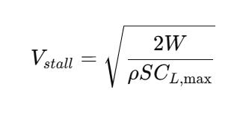

 | L = qSCl

Directional
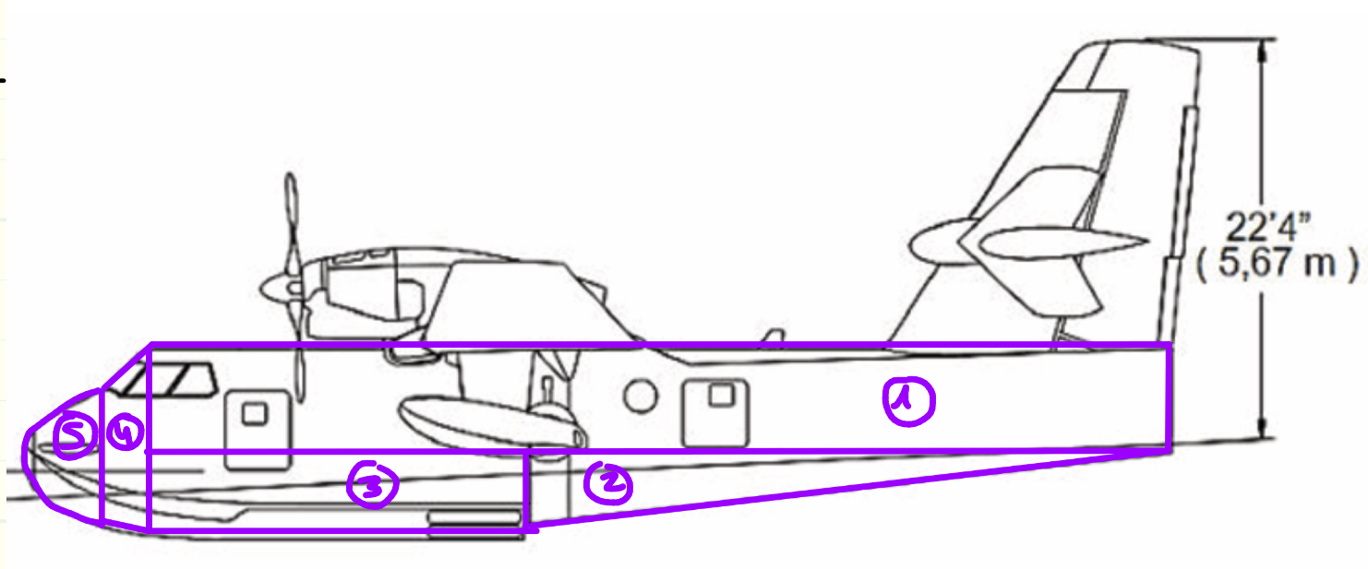
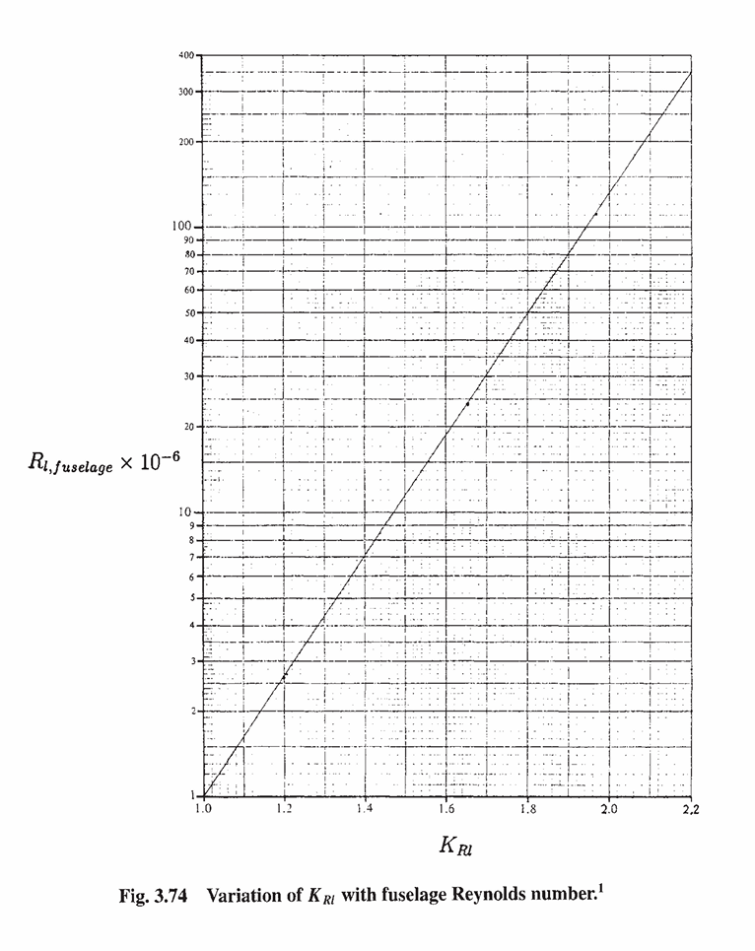
All lengths in feet

Body Parameters |  |  |  |  |  |  |  |  | Fuselage Contribution
 |  |  |  |  |  | Aircraft Data |  |  | Xm/lf | 0.39 |  |  | Hand Calculations (/deg) | DATCOM
NX | X | ZU | ZL | R | S |  |  |  | lf2/Sbs | 7.66 |  | Cnβ, fuselage | -0.00113
1 | 0 | 0.439 | -0.5857 | 0.05 | 0.008 | A1 | 350.7969088 |  | (h1/h2)1/2 | 1.18 |  | Cnβ, v.t | 0.002910
2 | 0.7 | 1.4640 | -1.7572 | 1.2 | 4.52 | A2 | 65.61507804 |  | h/b,fmax | 1.21 |  | Cnβ, total | 0.001780
3 | 2.638 | 2.9290 | -3.2215 | 2.42 | 18.3 | A3 | 92.63341623 |  | ν (kinematic viscosity) | 1.57E-04
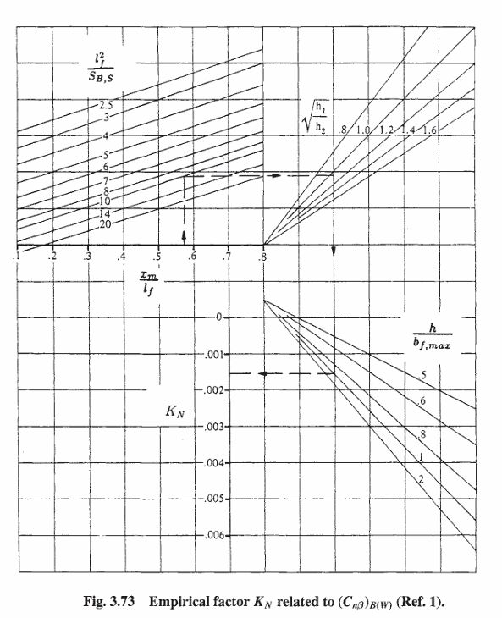
4 | 4.393 | 3.8070 | -3.8073 | 2.64 | 21.8 | A4 | 19.7809 |  | V | 189.6
5 | 6.5895 | 6.0040 | -4.39302 | 3.29 | 34.1 | A5 | 22.765942293 |  | KN | 0.0016
6 | 27.676 | 6.0040 | -3.5144 | 3.51 | 38.8 | SB,S | 551.5923 |  | Re,f | 7.85E+07
7 | 33.8262 | 6.0040 | -2.9287 | 2.86 | 25.6 | lf | 65.0167 |  | K,rl | 1.89
8 | 41.0015 | 6.0040 | -2.05 | 2.2 | 15.2 | b,w | 93.84 |  | (Cn,beta)fuse | -0.00113
9 | 47.591 | 6.0040 | -1.464 | 1.53 | 7.4 | Sweep | 0
10 | 51.3983 | 5.7109 | -0.8786 | 1.32 | 5.5 | Dihedral | 0
11 | 55.6449 | 5.7109 | -0.5857 | 1.1 | 3.8 | S,w | 1023.95 |  | Vertical Tail
12 | 58.5736 | 5.7109 | -0.29287 | 0.85 | 2.3 | AR,w | 8.6 |  | Sv | 221.5673950
13 | 62.6737 | 5.7109 | -0.2343 | 0.5 | 0.79 | λ | 1 |  | AR,v | 1.560
14 | 63.4059 | 5.7109 | -0.1464 | 0.22 | 0.15 | Xm (Xcg) | 25.64 |  | Cr | 15.833
15 | 65.0167 | 5.7109 | 0 | 0.1 | 0.0314 | h1 | 10.3970 |  | Ct | 5.996
 |  |  |  |  |  | h2 | 7.4680 |  | λ,v | 0.379
 |  |  |  |  |  | h | 10.3970 |  | sweep,v.t (deg) | 55.000
 |  |  |  |  |  | bf,max | 8.568 |  | sweep, c/4 | 48.72500
 |  |  |  |  |  |  |  |  | sweep,c/2 | 40.391 | 0.8508
 |  |  |  |  |  |  |  |  | Zw | 5.000
 |  |  |  |  |  |  |  |  | df,max | 7.0200
 |  |  |  |  |  |  |  |  | b,v.t | 20.300
 |  |  |  |  |  |  |  |  | (1+∂/∂ß)V | 1.485
 |  |  |  |  |  |  |  |  | Beta | 0.985
 |  |  |  |  |  |  |  |  | Aeff | 2.024
 |  |  |  |  |  |  | lv = Xv - Xcg |  | CL,alpha (/rad) | 2.2708709088
 |  |  |  |  |  |  | Xv = 50 |  | CL,alpha (/deg) | 0.03963
 |  |  |  |  |  |  |  |  | k | 0.88
 |  |  |  |  |  |  |  |  | lv | 24.36
 |  |  |  |  |  |  |  |  | (Cn,beta)v.t | 0.0029098492015 |  | 0.02909849

 |  |  |  |  |  |  |  | TOTAL | (Cn,beta)total | 0.0017798492015 |  | 0.001779849
 |  |  |  |  |  |  |  | DATCOM

Inertias
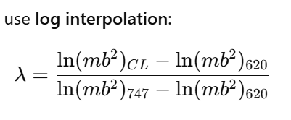
 | Boeing 747 | CL-415 | Cessna 620
S | 5500 | 1023.947 | 340
c_bar | 27.3 | 11.61 | 6.58
b | 196 | 93.84 | 55.1
Alt | 20000 | 250 | 18000
Mach | 0.65 | 0.17 | 0.351
True Airspeed | 673 |  | 366.8
q | 287.2 |  | 91.1
loc CG (%MAC) | 0.25 |  | 0.25
alpha | 2.5 | 7 | 0
Lfuse | 231.8 | 65.0167 | 49.5
Weight(lbs) | 636636 | 43709.14 | 15000
Mass (slugs) | 19771.304348 | 1357.4267081 | 465.83850932
Ix (slugft^2) | 18200000 | 459037.06223 | 64811
Iy | 33100000 | 108659.01089 | 17300
Iz | 49700000 | 625866.39883 | 64543
Ixz | 970000 |  | 0
kx (Ix/mb^2) | 0.023962047451 | 0.038402134412 | 0.045825808655
kz | 0.065434821885 | 0.052358747364 | 0.045636314329
ky | 0.031157729965 | 0.018936491284 | 0.015156548651
mb^2 | 759534427.83 | 11953425.747 | 1414290.3727
mL^2 | 1062336699 | 5738075.1936 | 1141420.8075
λ | 0.33954241327
λ_2 | 0.23622897326

 | kgm^2
Ix | 622454.25639
Iy | 147341.61877
Iz | 848674.83682

